002
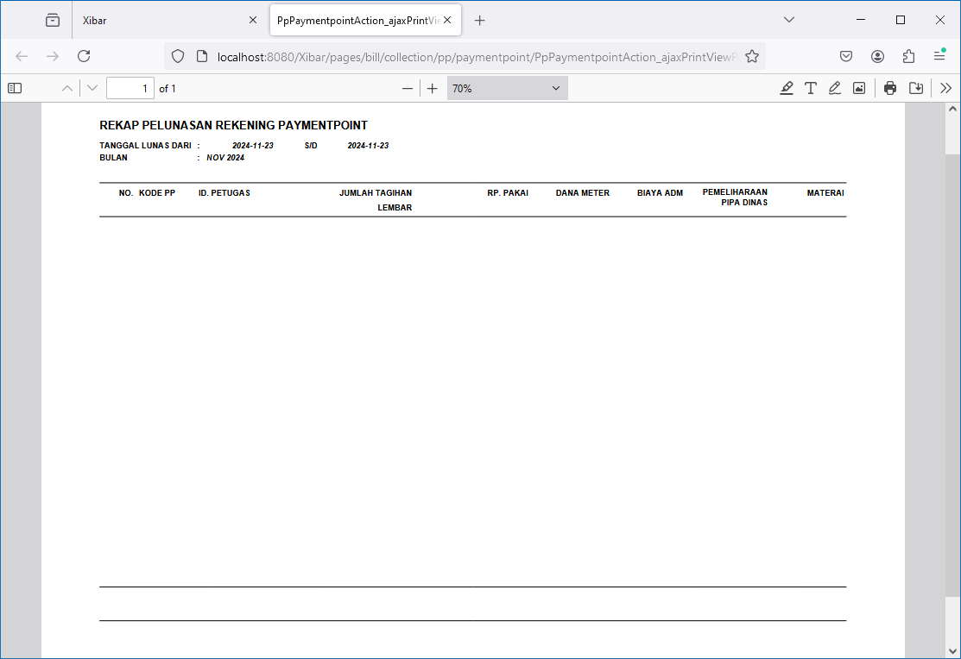
Collection | Pembayaran Rekening Pelanggan | Paymentpoint
http://localhost:8080/Xibar/pages/bill/collection/pp/paymentpoint/PpPaymentpointAction_list.action

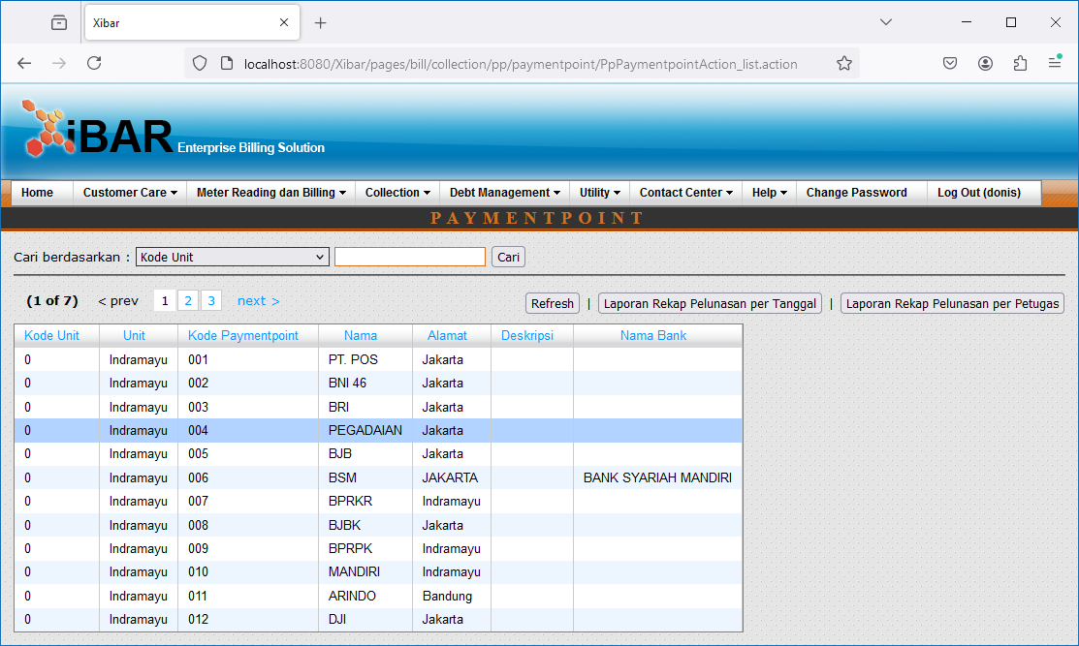

Double Click
http://localhost:8080/Xibar/pages/bill/collection/pp/PpAction_list.action?extraPpZone=0&extraPpCode=004

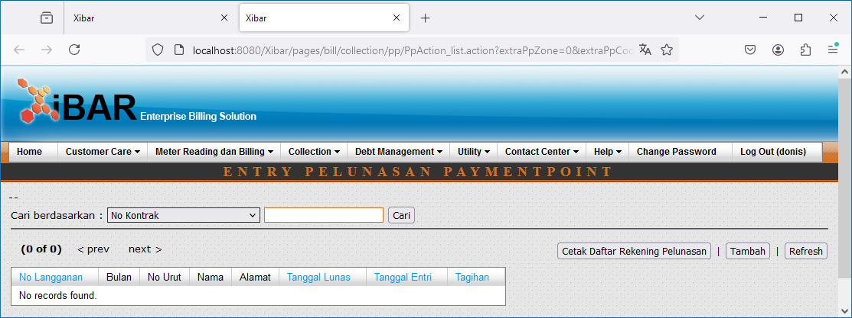

Cetak Daftar Rekening Pelunasan

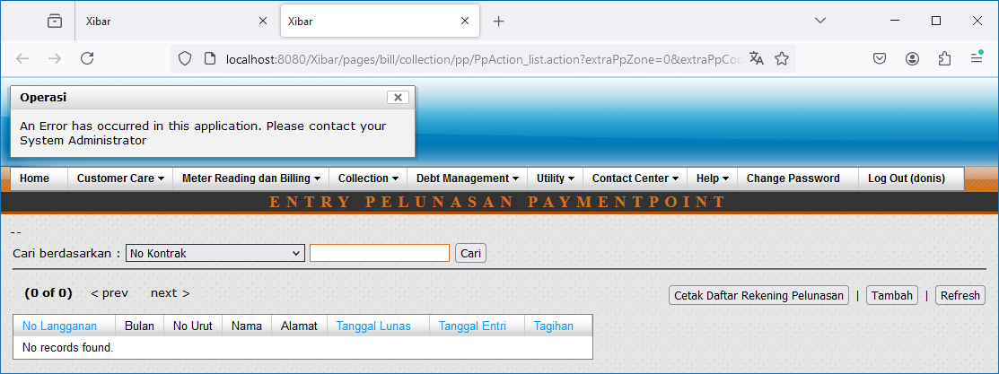

Tambah

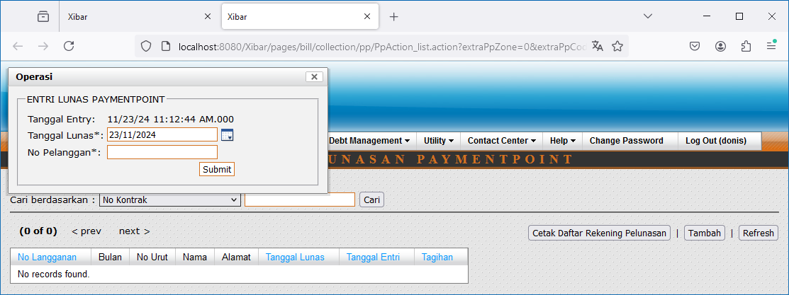

Laporan Rekap Pelunasan per Tanggal

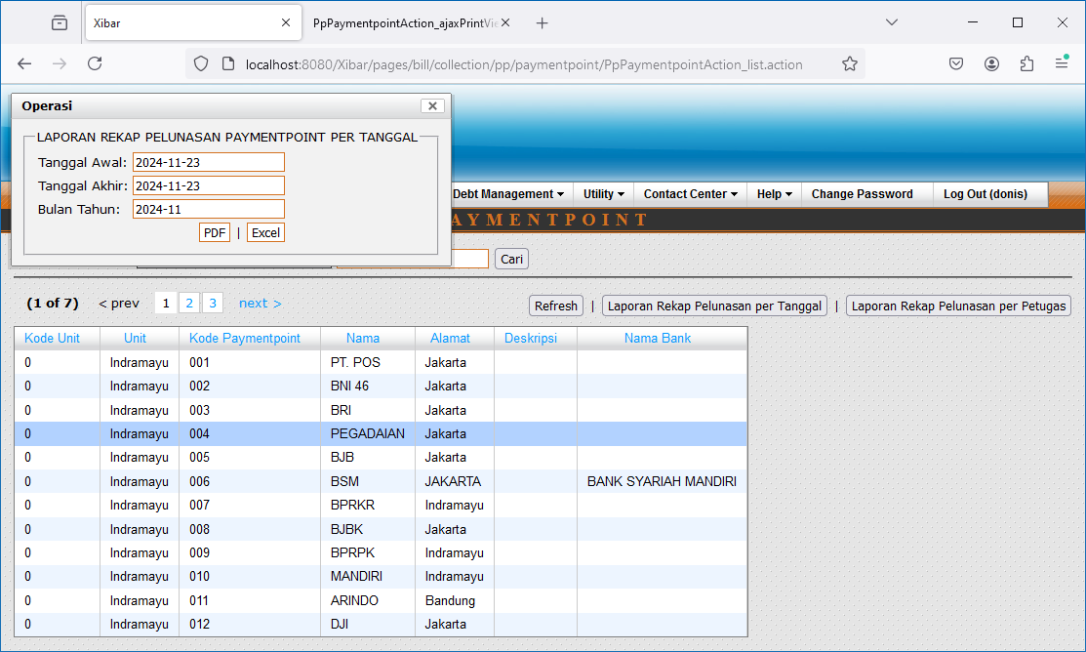

http://localhost:8080/Xibar/pages/bill/collection/pp/paymentpoint/PpPaymentpointAction_ajaxPrintView.action?&collectionDate1st=2024-11-23&collectionDate2nd=2024-11-23&extraBlnThn=2024-11

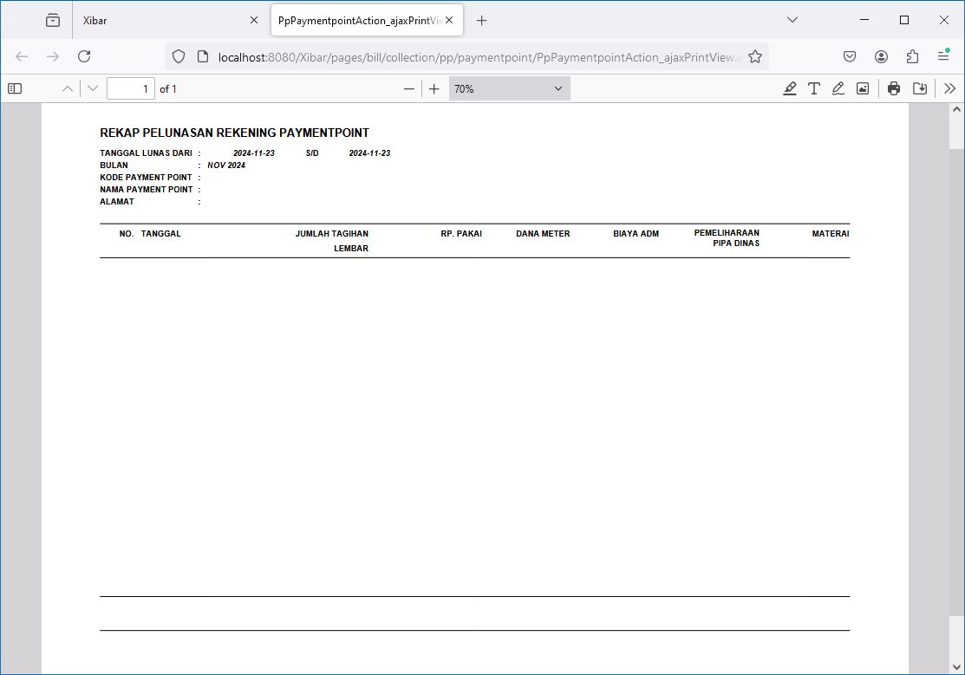

Laporan Rekap Pelunasan per Petugas

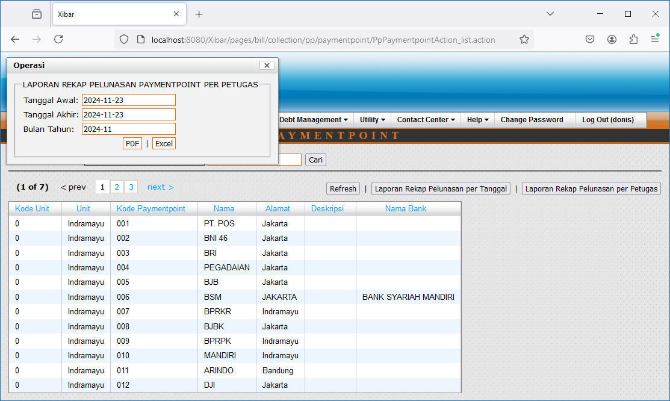

http://localhost:8080/Xibar/pages/bill/collection/pp/paymentpoint/PpPaymentpointAction_ajaxPrintViewPetugas.action?&collectionDate1st=2024-11-23&collectionDate2nd=2024-11-23&extraBlnThn=2024-11

003
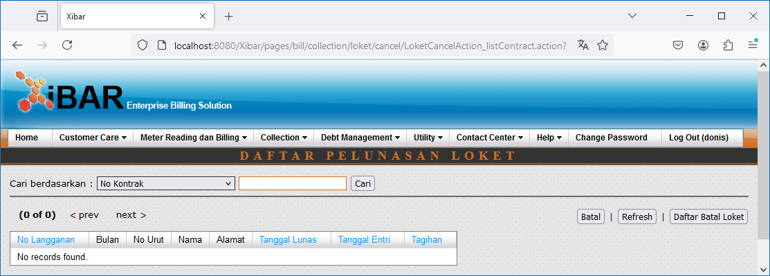
Collection | Pembatalan Pelunasan Rekening | Loket
http://localhost:8080/Xibar/pages/bill/collection/loket/cancel/LoketCancelAction_list.action

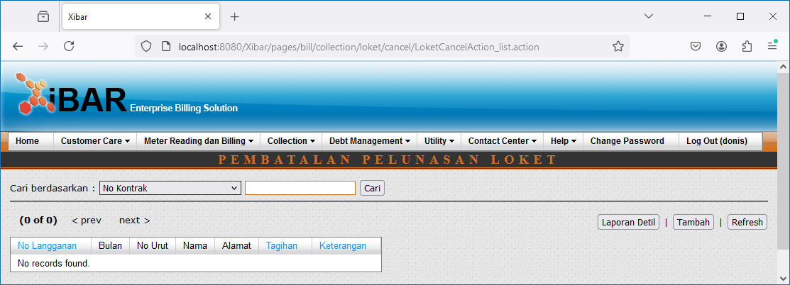

Laporan Detil

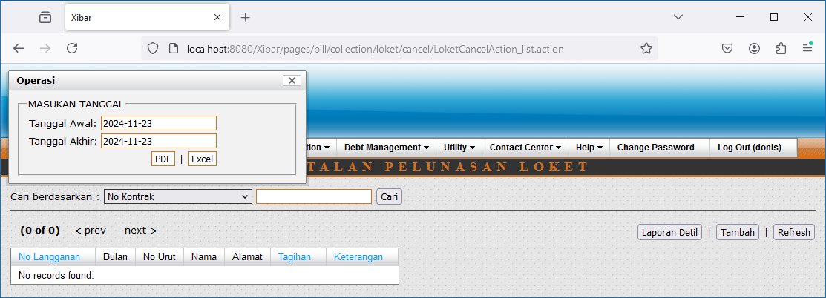

http://localhost:8080/Xibar/pages/bill/collection/loket/cancel/LoketCancelAction_ajaxReport.action?&collectionDate1st=2024-11-23&collectionDate2nd=2024-11-23

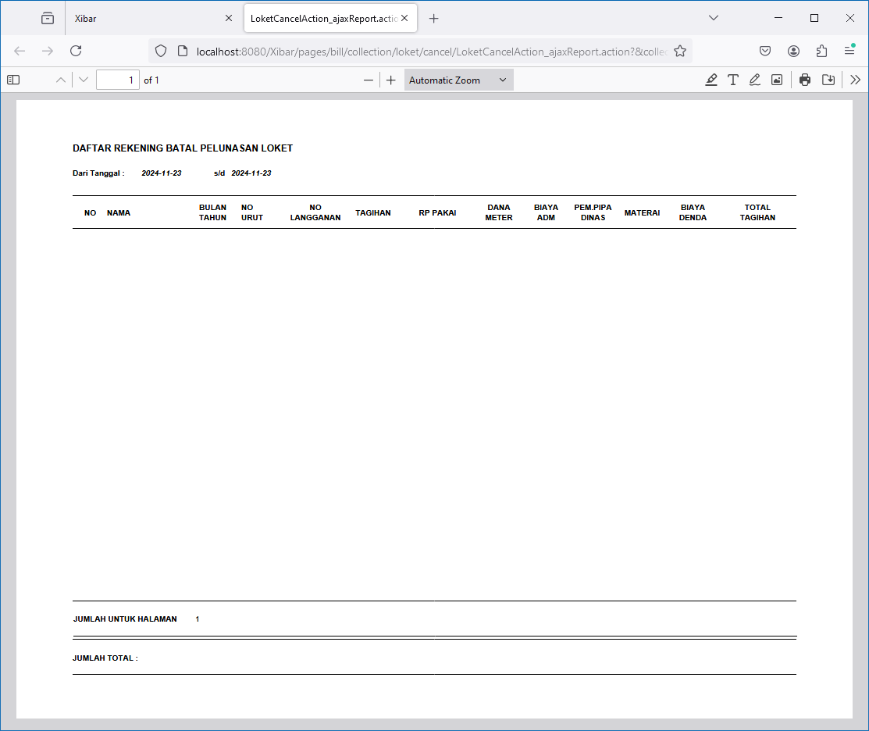

Tambah
http://localhost:8080/Xibar/pages/bill/collection/loket/cancel/LoketCancelAction_listContract.action?

004
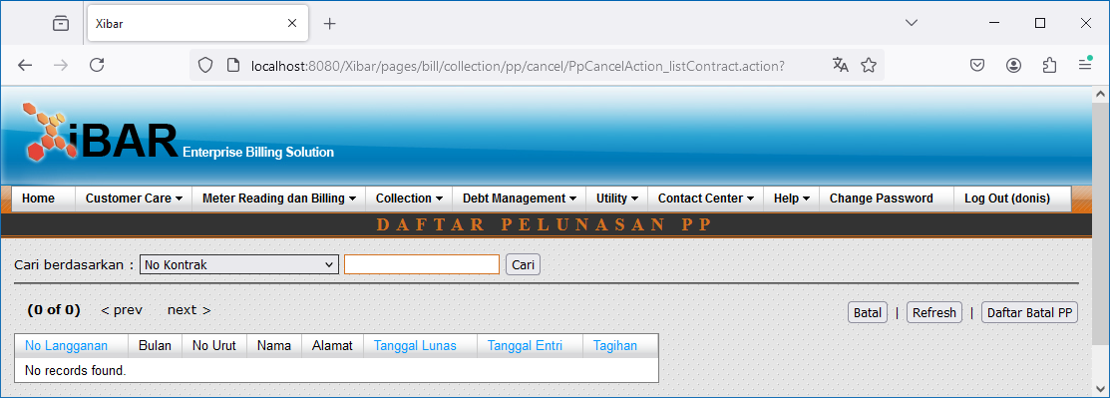
Collection | Pembatalan Pelunasan Rekening | Paymentpoint
http://localhost:8080/Xibar/pages/bill/collection/pp/cancel/PpCancelAction_list.action



Laporan Detil

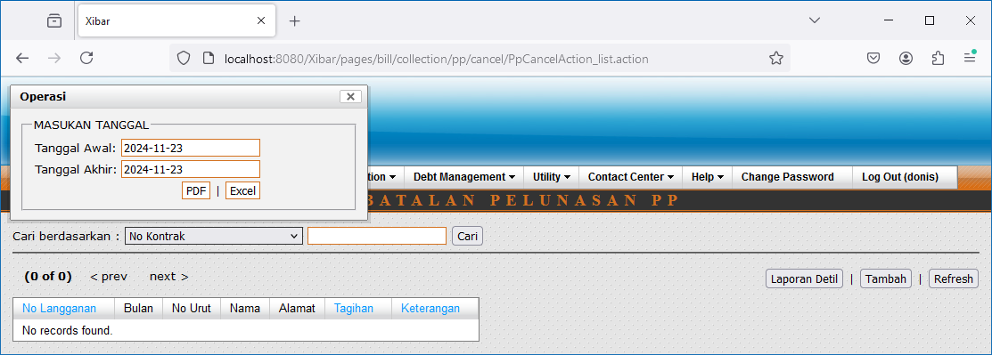

http://localhost:8080/Xibar/pages/bill/collection/pp/cancel/PpCancelAction_ajaxReport.action?&collectionDate1st=2024-11-23&collectionDate2nd=2024-11-23

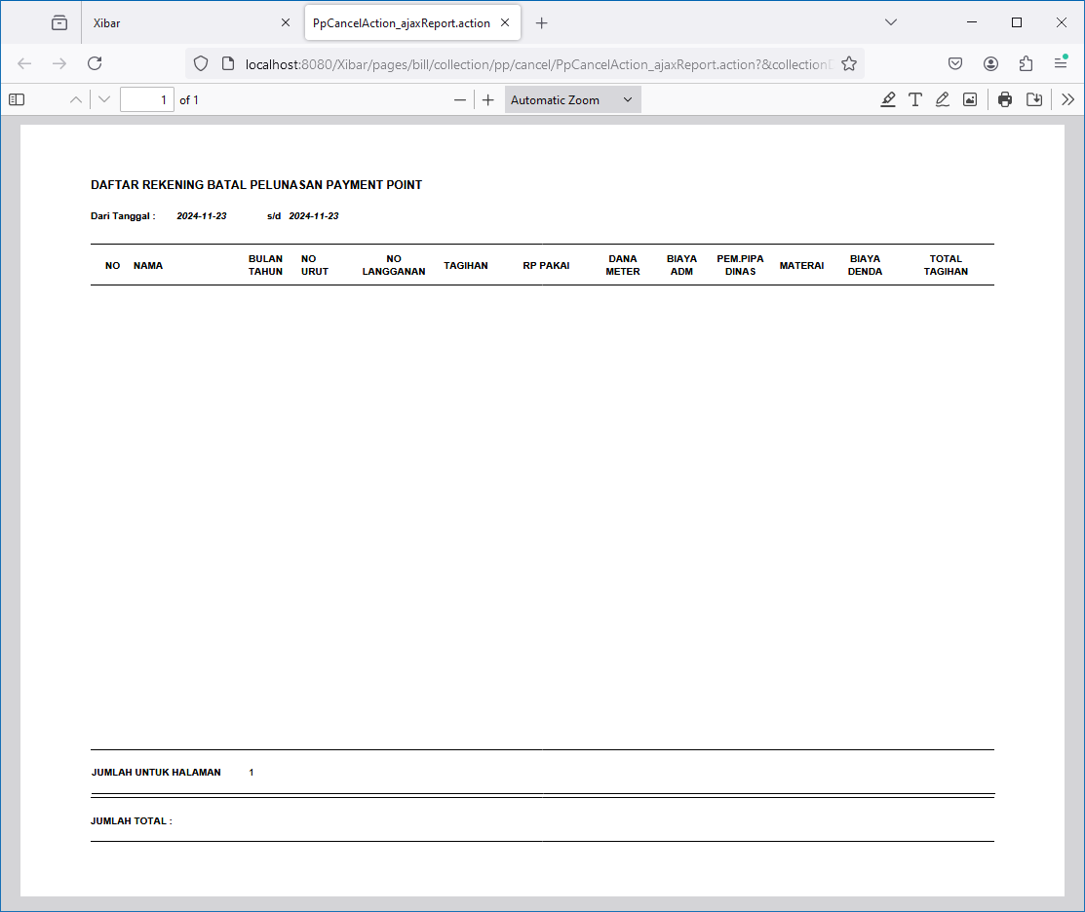

Tambah
http://localhost:8080/Xibar/pages/bill/collection/pp/cancel/PpCancelAction_listContract.action?

005
Collection | Nomor LPP
http://localhost:8080/Xibar/pages/bill/collection/lpp/LppAction_getNomor.action

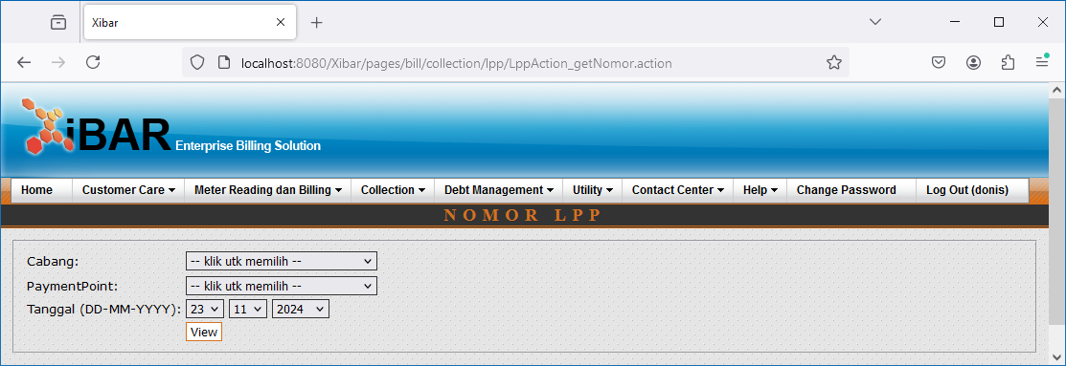

View

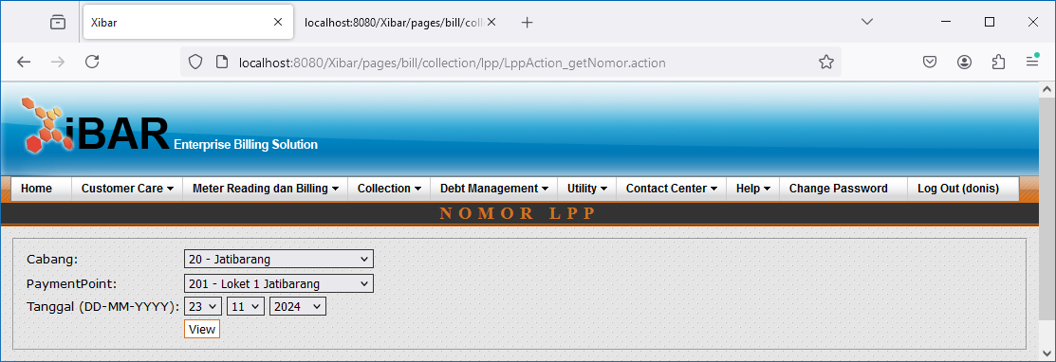

http://localhost:8080/Xibar/pages/bill/collection/lpp/LppAction_ajaxSave.action?zoneId=20&ppCode=201&tgl=23-11-2024

006
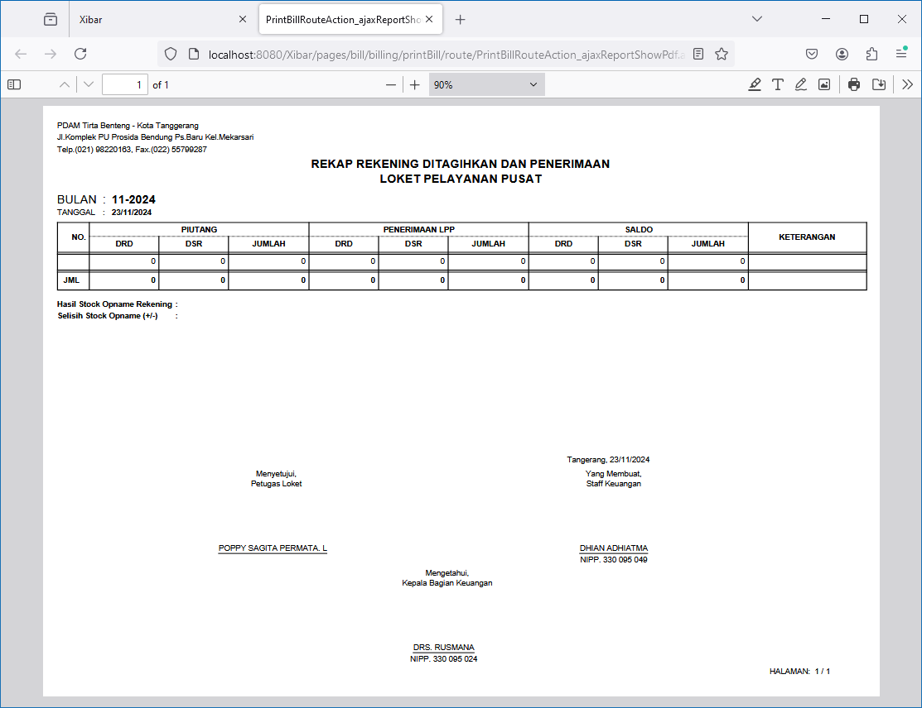
Collection | Pencetakan Rekening
http://localhost:8080/Xibar/pages/bill/billing/printBill/route/PrintBillRouteAction_list.action

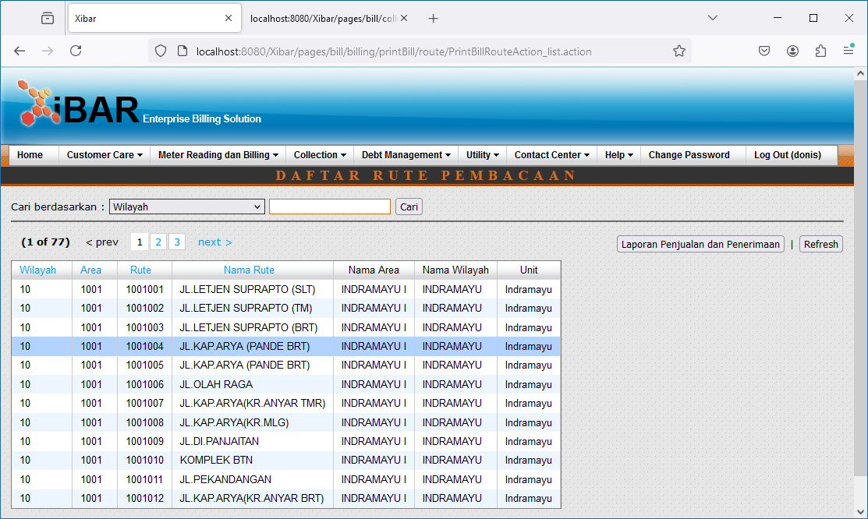

Double Click
http://localhost:8080/Xibar/pages/bill/billing/printBill/PrintBillAction_list.action?extraZoneId=10&extraAreaGroupCode=10%20%20%20%20%20%20%20%20%20%20&extraRouteGroupCode=1001%20%20%20%20%20%20%20%20&extraRouteId=1001004

Laporan Penjualan dan Penerimaan

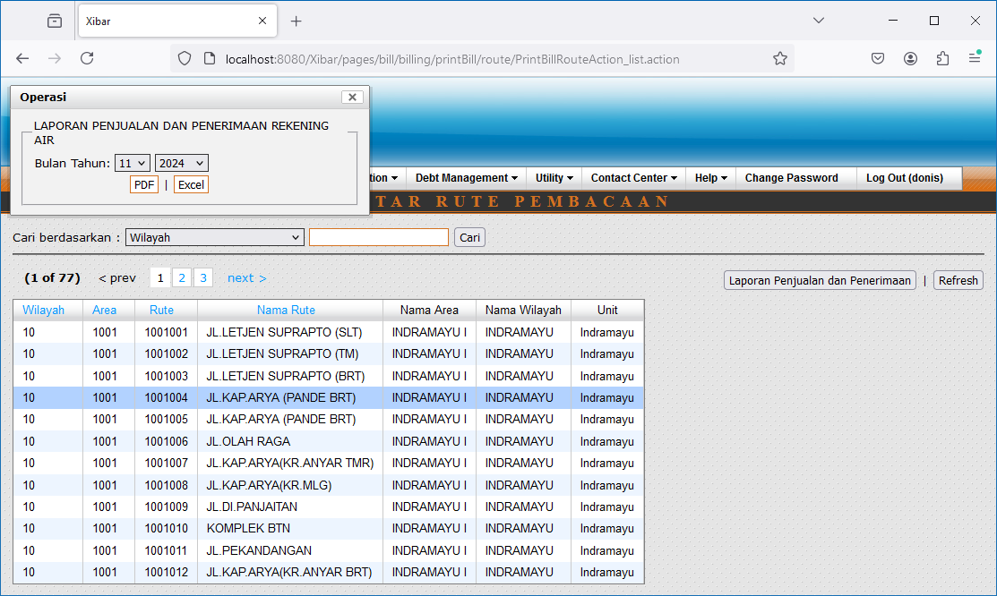

http://localhost:8080/Xibar/pages/bill/billing/printBill/route/PrintBillRouteAction_ajaxReportShowPdf.action?blnThn=11-2024

007
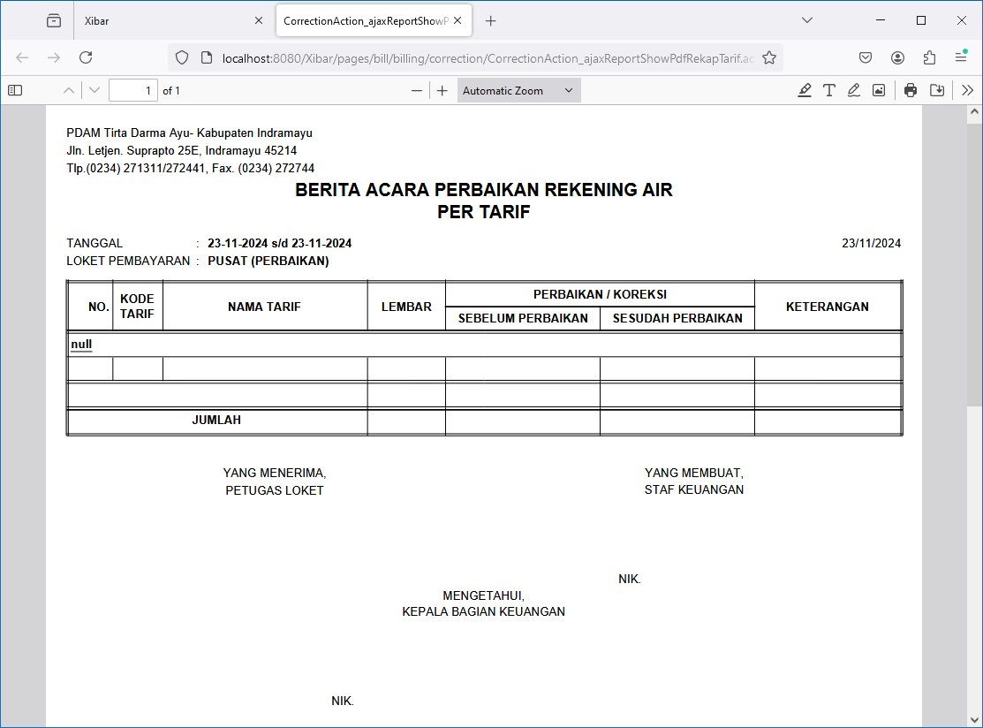
Collection | Perubahan Rekening Pelanggan (Koreksi)
http://localhost:8080/Xibar/pages/bill/billing/correction/CorrectionAction_list.action

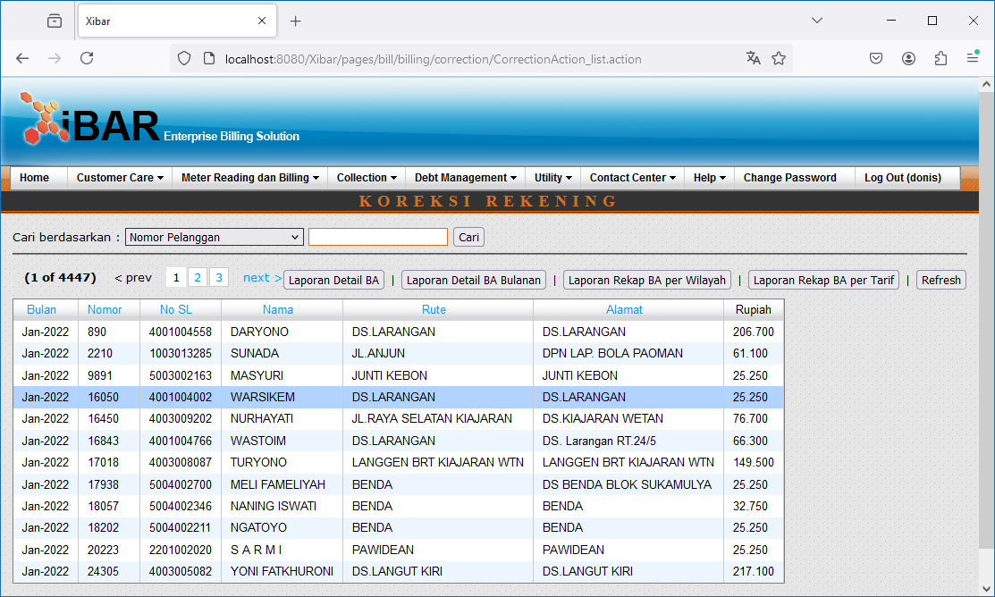

Double Click

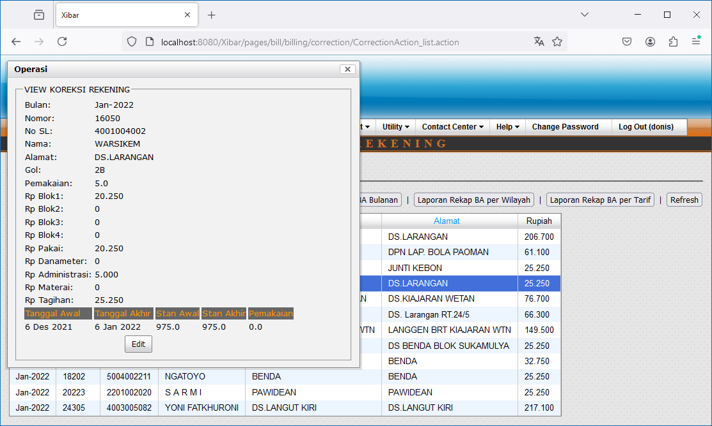

Edit

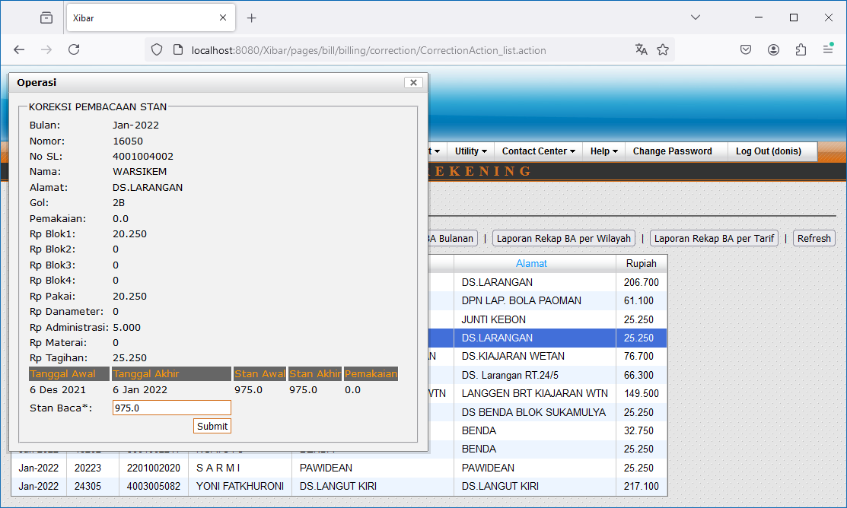

Laporan Detail BA

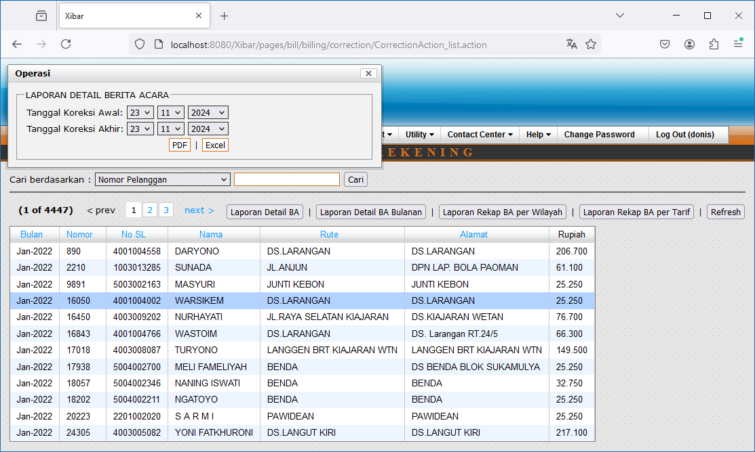

http://localhost:8080/Xibar/pages/bill/billing/correction/CorrectionAction_ajaxReportShowPdfDetail.action?tglAwal=23-11-2024&tglAkhir=23-11-2024

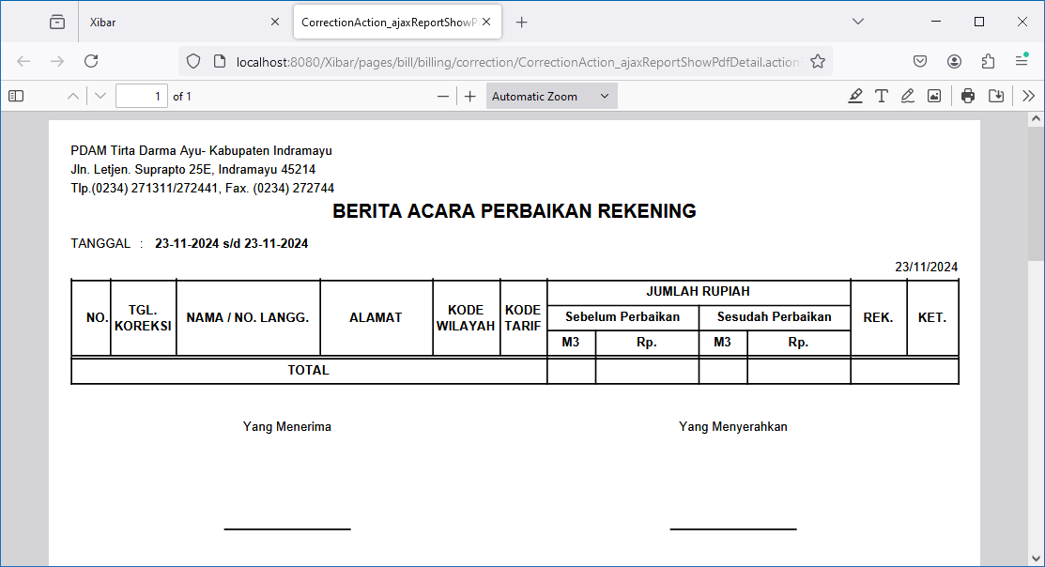

Laporan Detail BA Bulanan

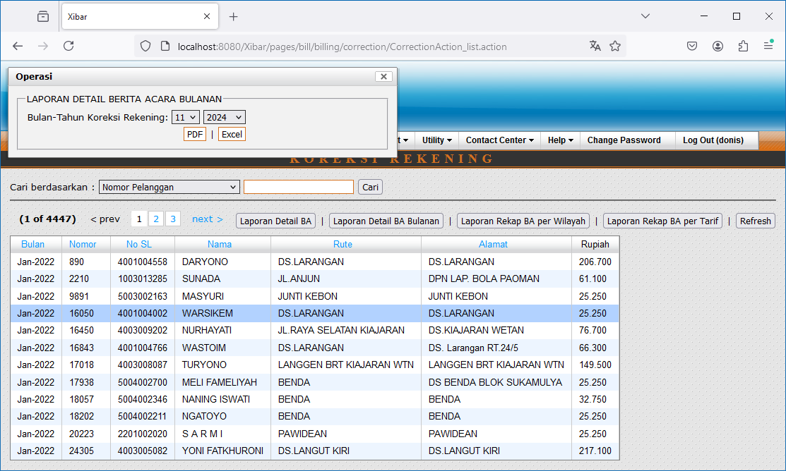

http://localhost:8080/Xibar/pages/bill/billing/correction/CorrectionAction_ajaxReportShowPdfDetailBulan.action?blnThn=11-2024

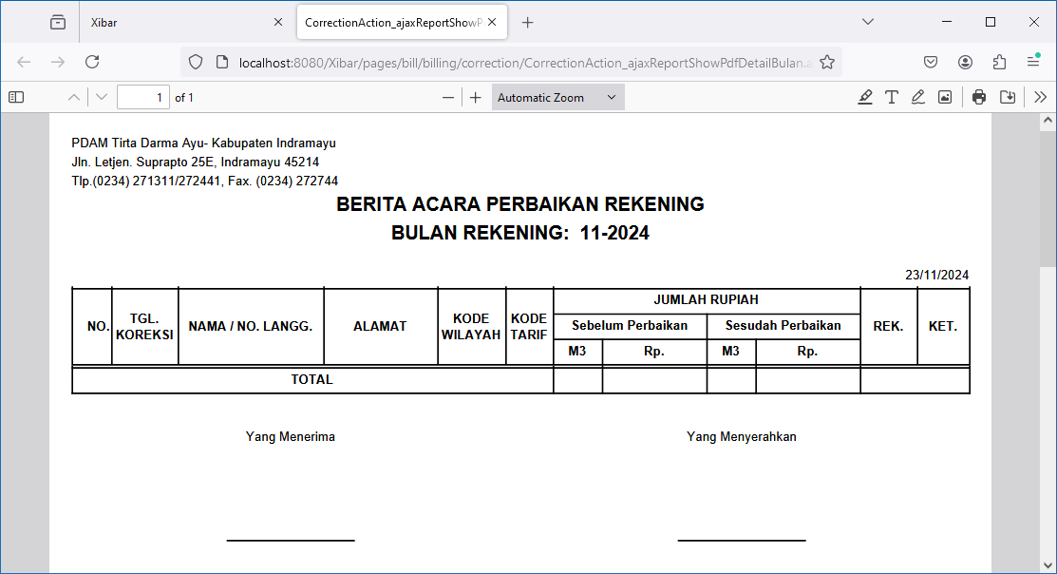

Laporan Rekap BA Bulanan

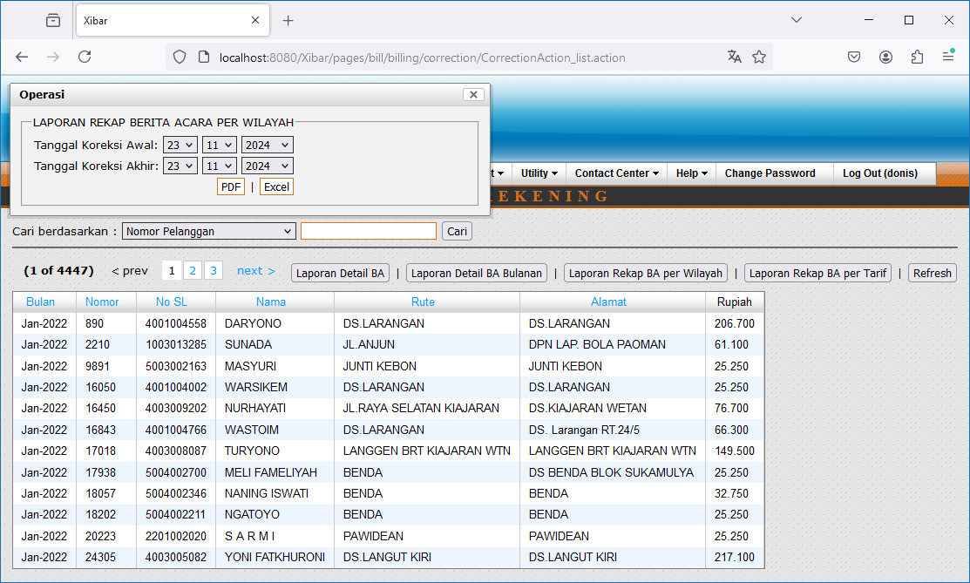

http://localhost:8080/Xibar/pages/bill/billing/correction/CorrectionAction_ajaxReportShowPdfRekap.action?tglAwal=23-11-2024&tglAkhir=23-11-2024

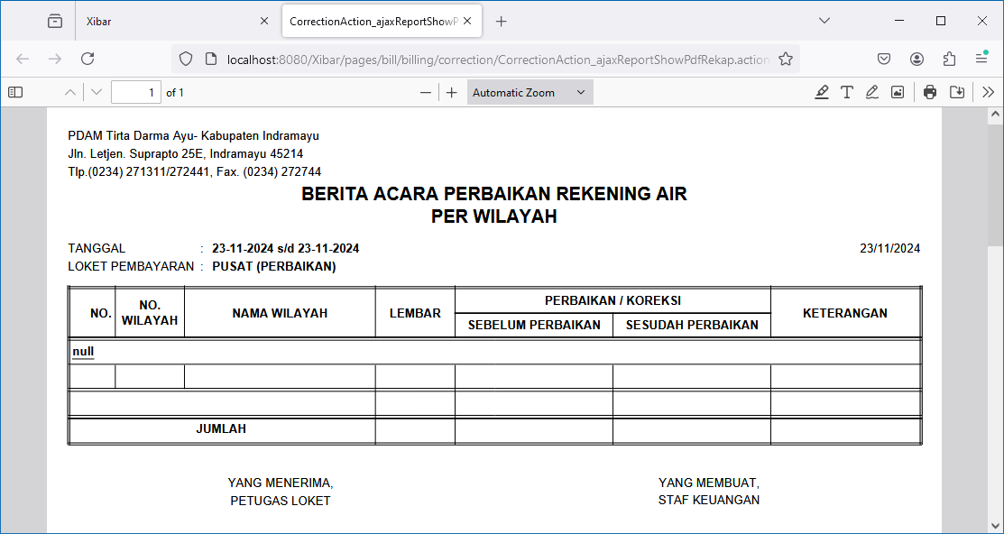

Laporan Rekap BA per Tarif



http://localhost:8080/Xibar/pages/bill/billing/correction/CorrectionAction_ajaxReportShowPdfRekapTarif.action?tglAwal=23-11-2024&tglAkhir=23-11-2024

008
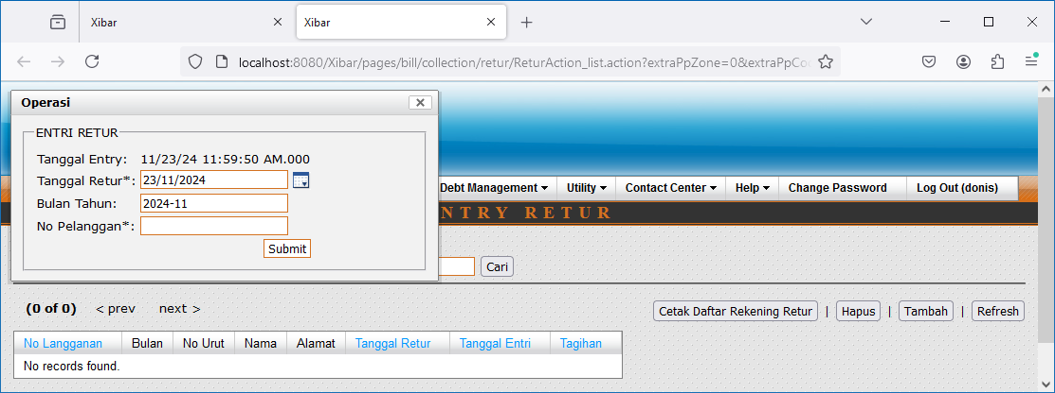
Collection | Entri Retur
http://localhost:8080/Xibar/pages/bill/collection/retur/paymentpoint/ReturPaymentpointAction_list.action

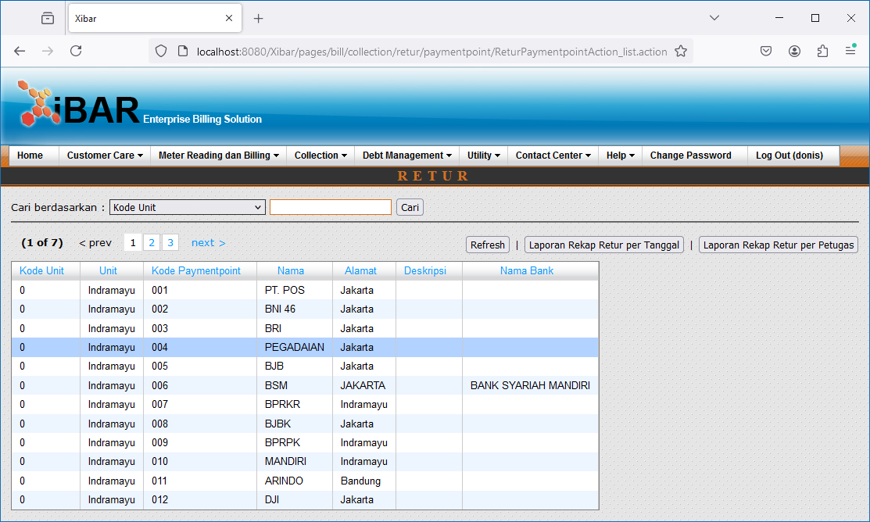

Double Click
http://localhost:8080/Xibar/pages/bill/collection/retur/ReturAction_list.action?extraPpZone=0&extraPpCode=004

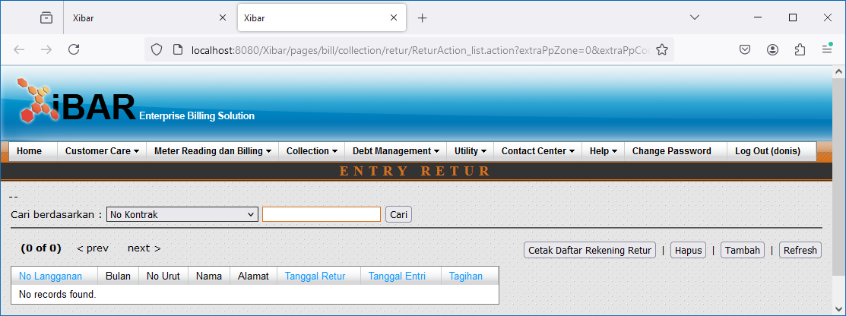

Cetak Daftar Rekening Retur

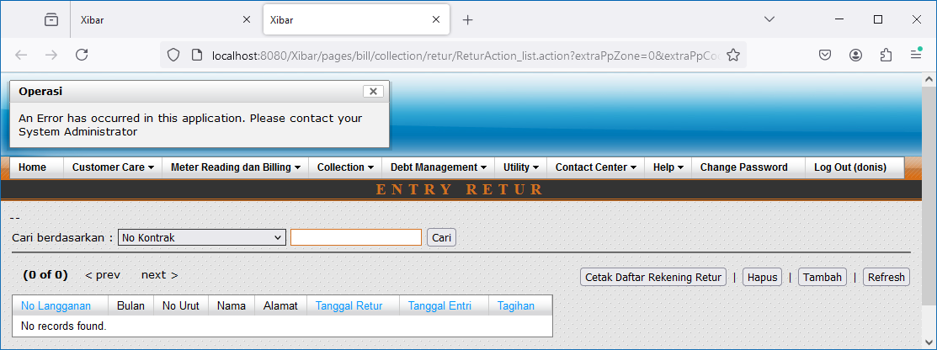

Tambah

